Getting going
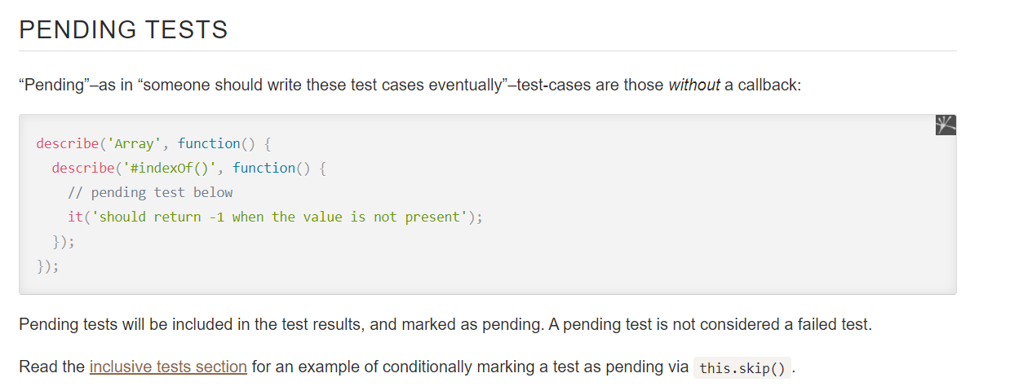
Mocha Testing Framework ... mochajs.org ... a testing framework ... main documentation: https://mochajs.org - That is your reading

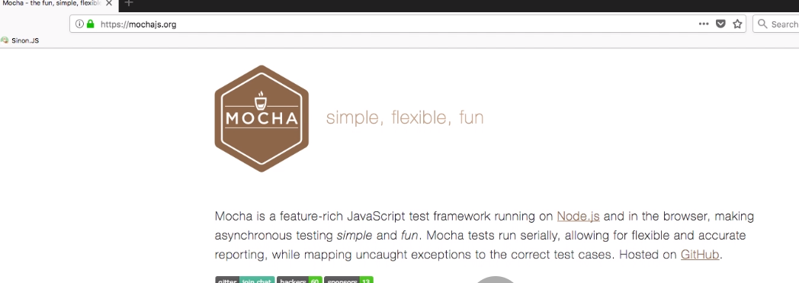
Mocha is a JavaScript test framework running on Node. js and in the browser.
Mocha allows asynchronous testing, test coverage reports, and use of any assertion library.
Chai is a BDD / TDD assertion library for NodeJS and the browser that can be delightfully
paired with any javascript testing framework

Recommended reading
https://www.chaijs.com/api/assert/

Node coes with a few assertions built in but its very basic. . . Search for node assert ... can find documentation

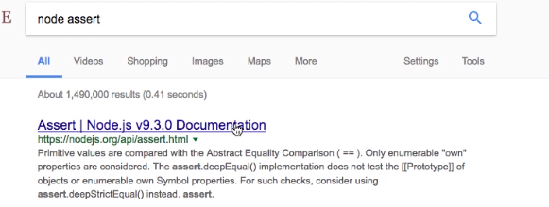

Open up VSC ... install mocha and make global

Create a new project ... create a folder called
'tests' make a file called test.js

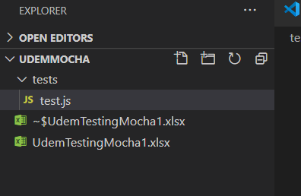

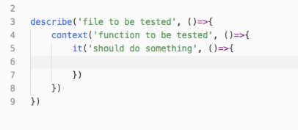

use 1 each foreach function to test
... tests go inside 'it' blocks
bdd .. it ('should add 2 numbers')
an it for each singe test

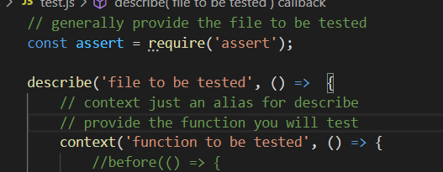

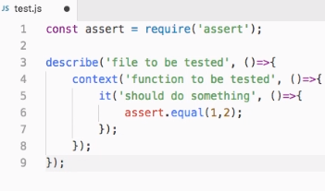

use 1 each foreach function to test
... tests go inside 'it' blocks
bdd .. it ('should add 2 numbers')
an it for each singe test

Can run by going to dir and
mocha test.js
see it fails .. note the it test name

Mocha is a JavaScript test framework running on Node. js and in the browser.
Mocha allows asynchronous testing, test coverage reports, and use of any assertion library.
Chai is a BDD / TDD assertion library for NodeJS and the browser that can be delightfully paired with any javascript testing framework
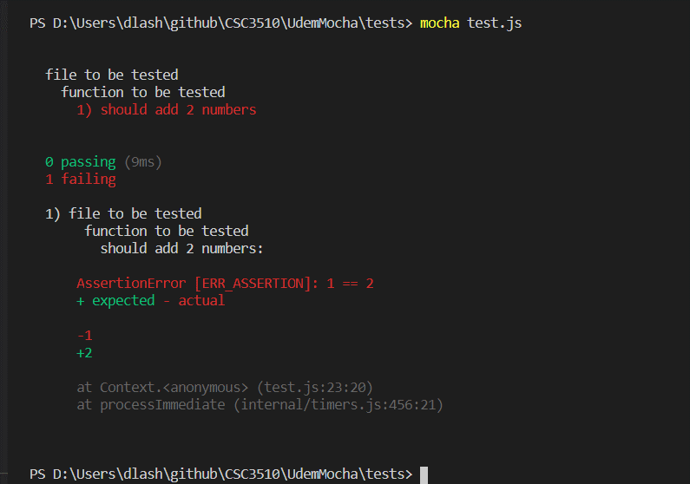

Change the it and it will work

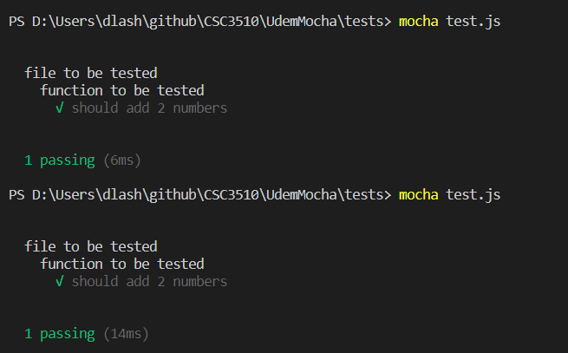

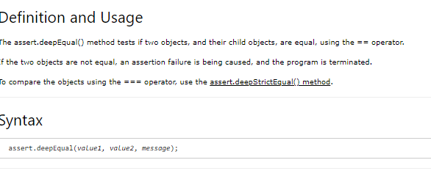

Add another test ... this compares opjects

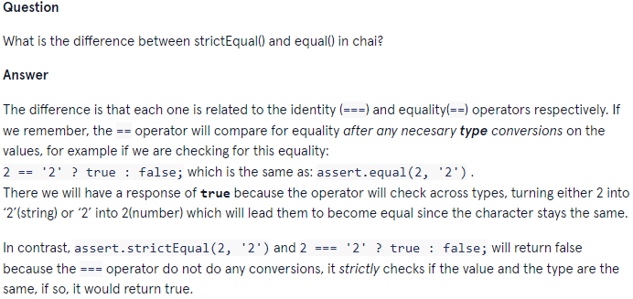
F

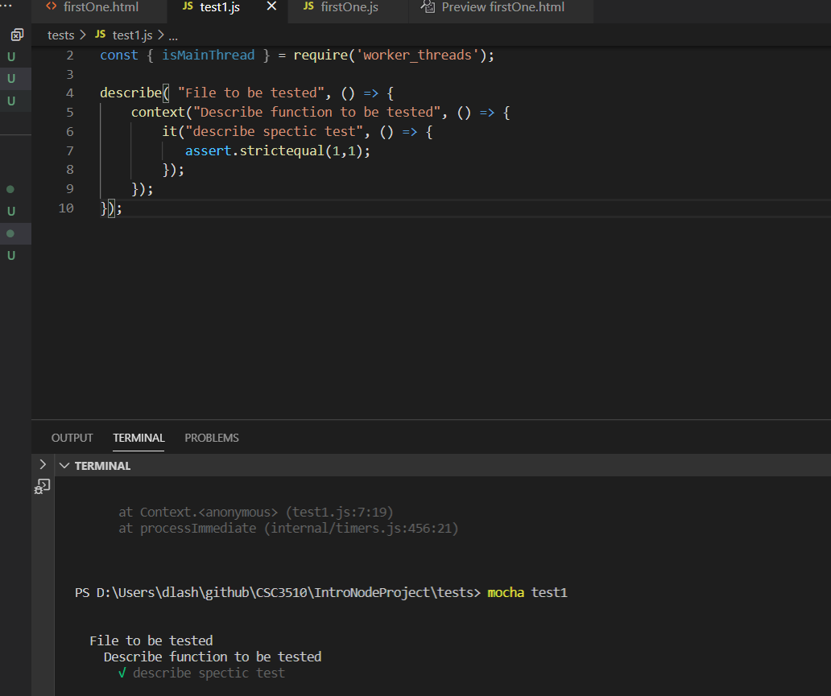
Now both pass

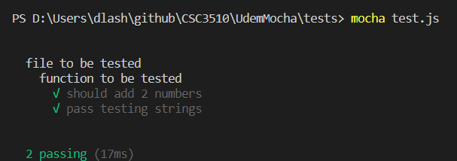

This is a pending test ... no check mark ... this is for a function not ready to test

Hooks Before and After
Use before and after for code to run before/after tests (set up and teardown) ... for example, a common object built or common variable or DB connection

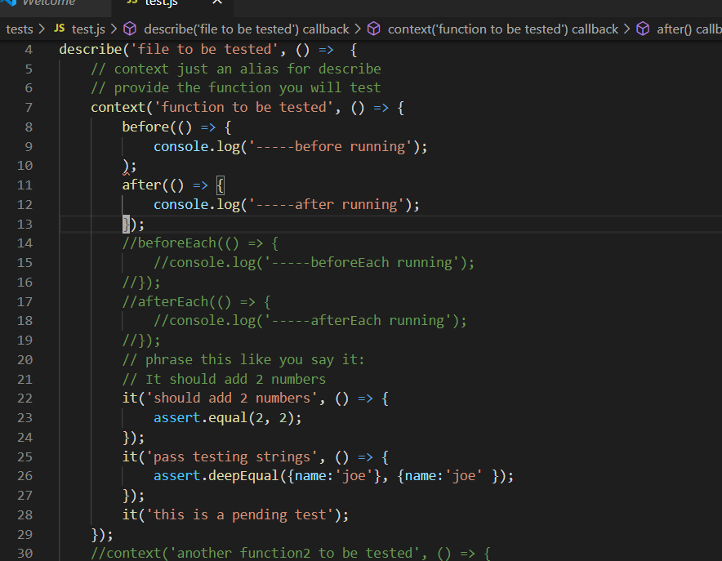

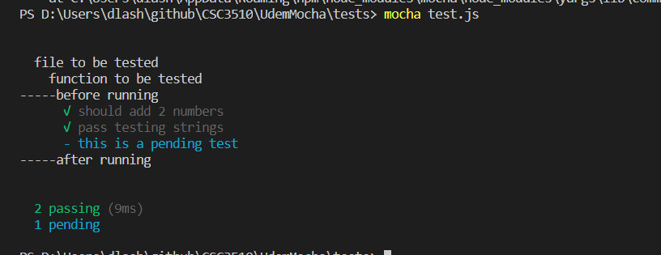
Add a before and after function to be tested

You get a line before and after

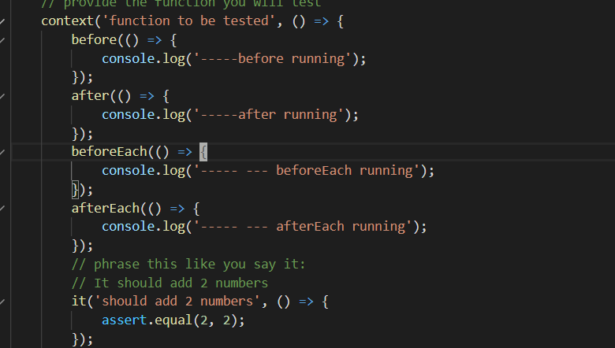
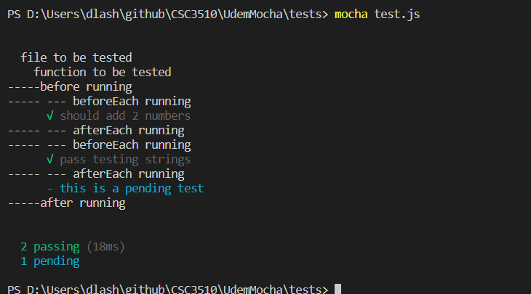

Add a beforeeach and aftereach function to be tested

Runs before EACH function and after EACH

Context
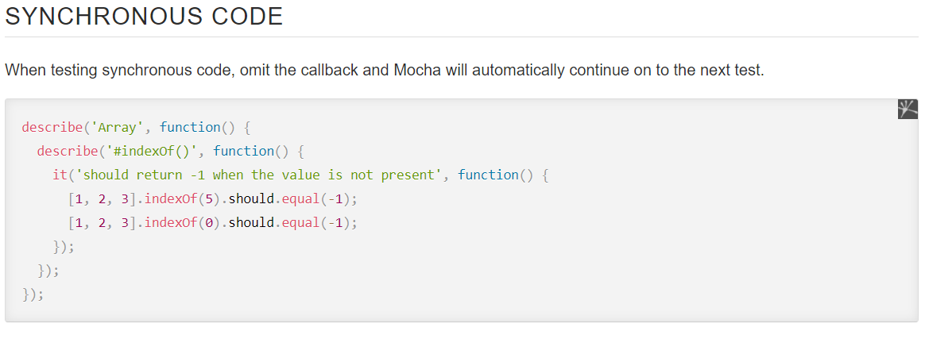
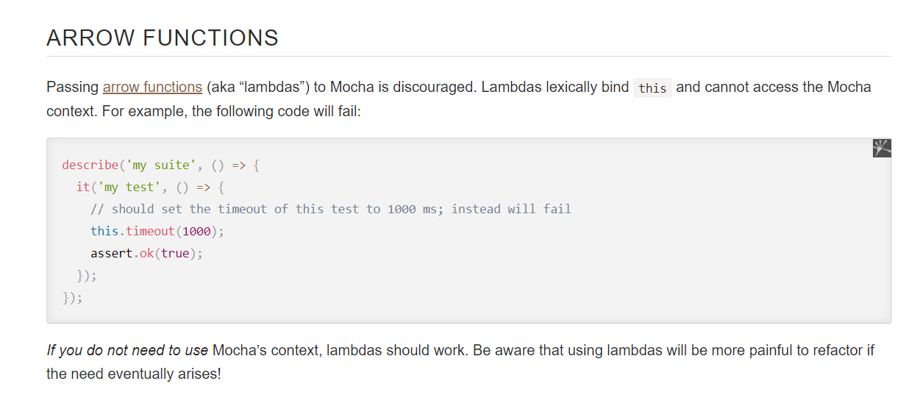
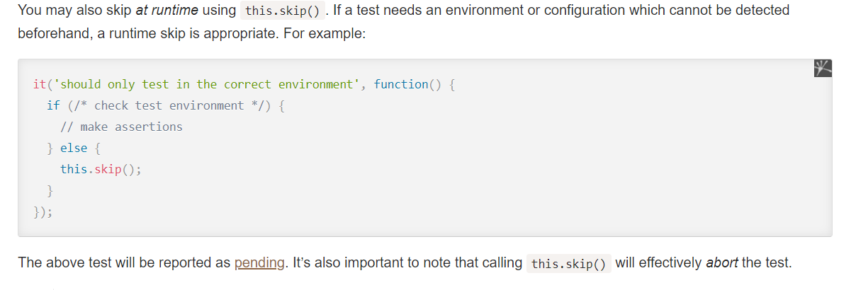
This context is outside of the other ... add one for each function to test
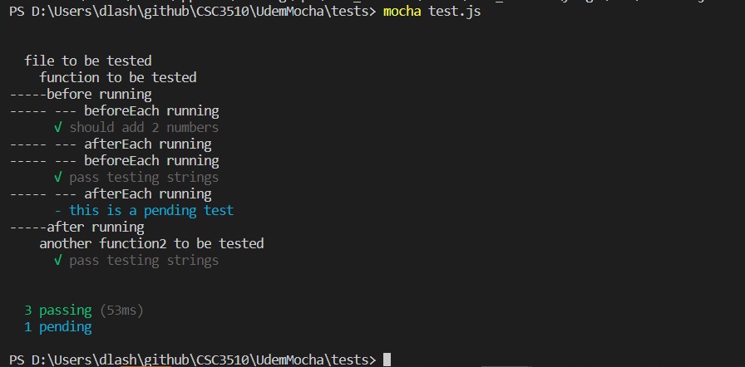

The context runs seperate outside
of the other contect
Notice the before and after doesn't run
because that is for the first context only

Chai
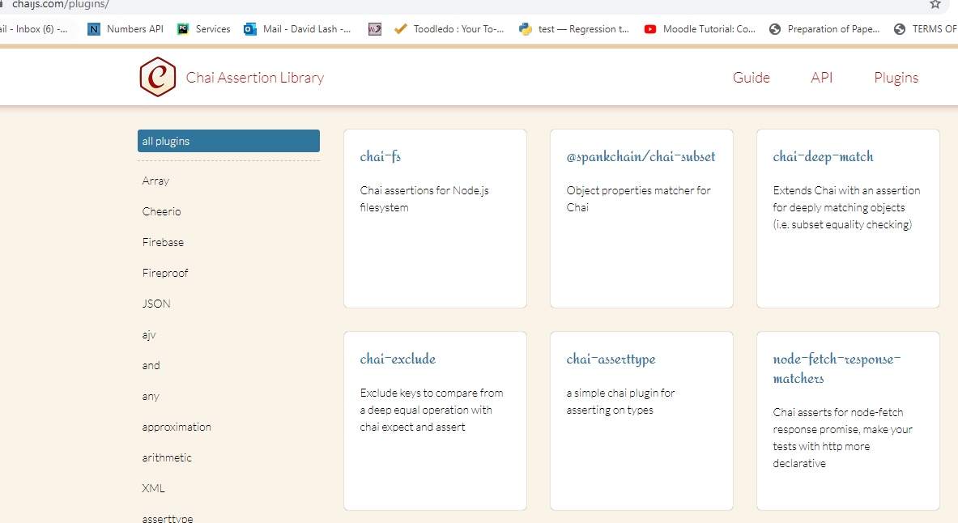
See page at chaijs.com

3 main types of asserts ... will use expect the most ... should => little harder to work with

Also has a lot of plug ins

Chai1
Install chai

Inside tests -> create a file called chaiTests.js

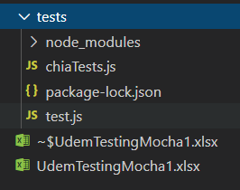

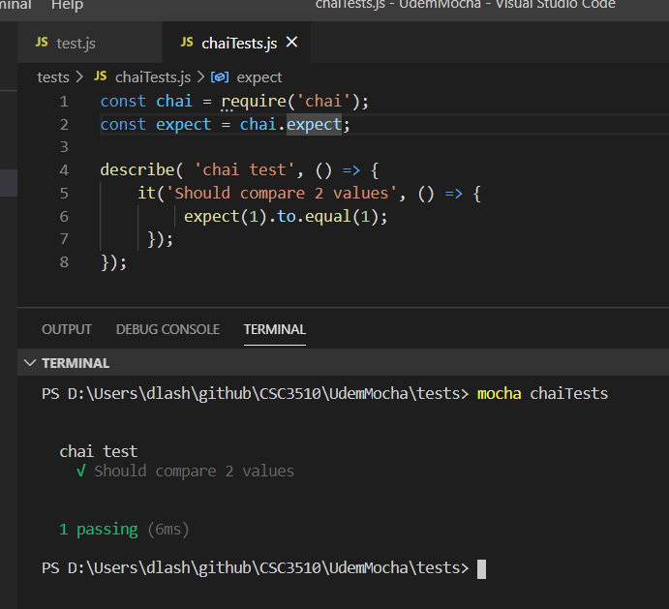

You would expect this to work ... but you cannot test objects this way

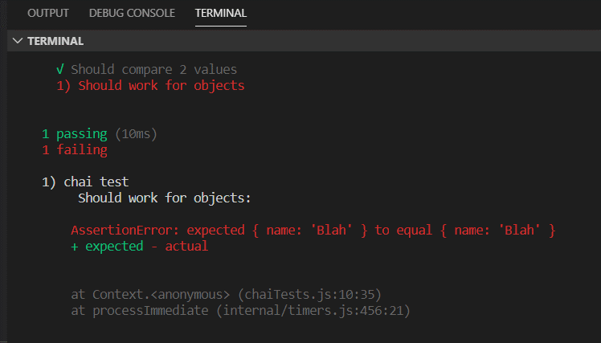
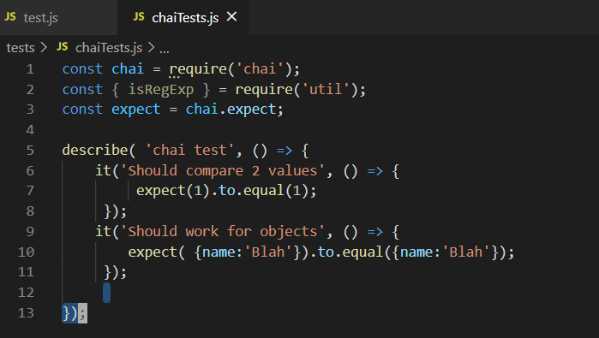

Instead need to use deep.equal to test object ..
can also test for have property

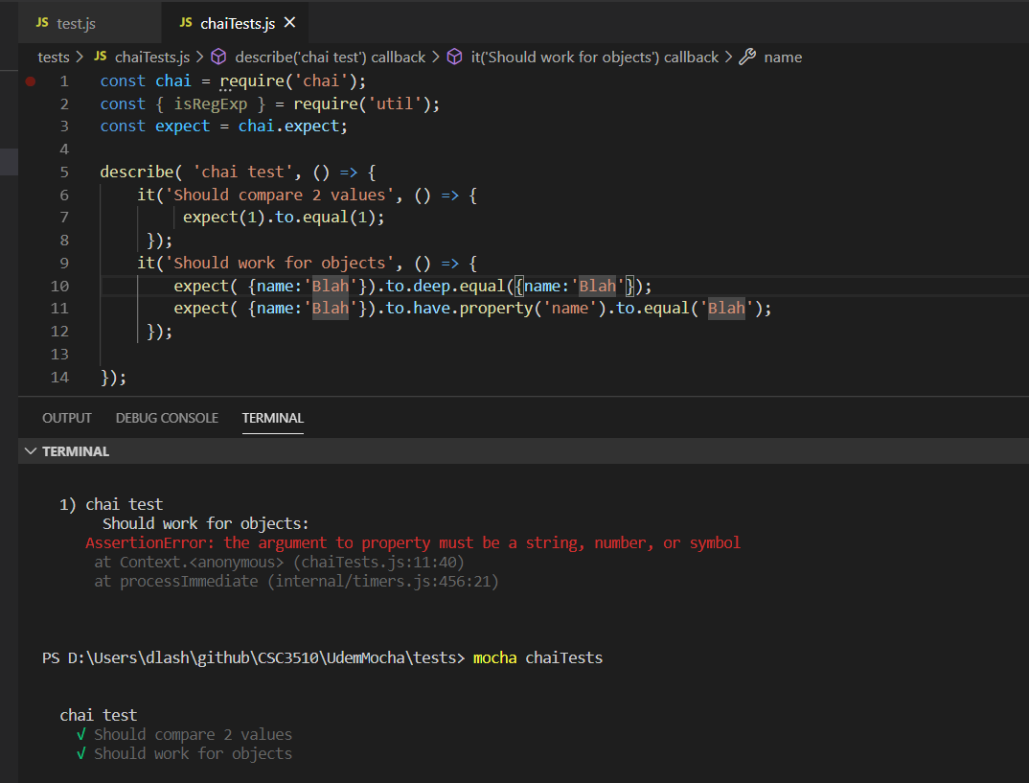

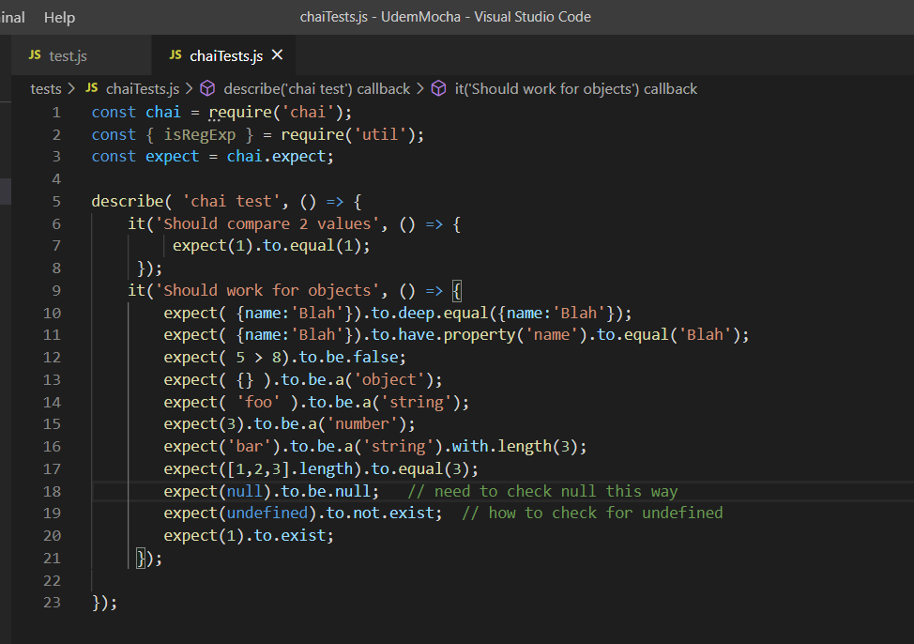

Can see lots of different ways to test

Chai Config
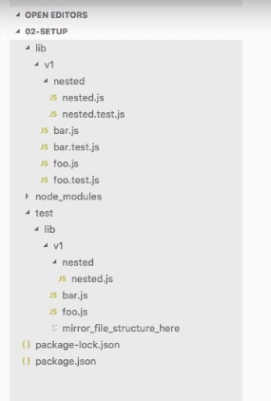

Typically you mirror your code foloder inside your test folder ... while this strucuture is more common
PROBLEM: If move all src files to new directory ... have also move the test files

Another alternative is to create a *.test.js file for each file you are testing

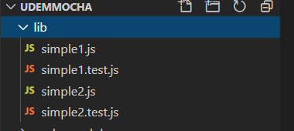

Create a lib directory under your project ... have simeple1.js and simple2.js be very simple js programs

Say ... simple1.test.js and simple2.test.js are testing programs ... simple at this point

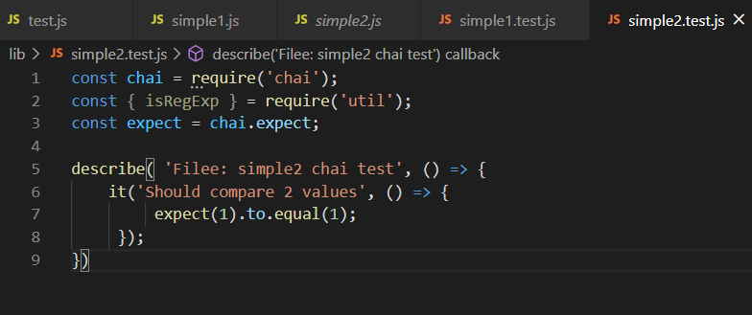
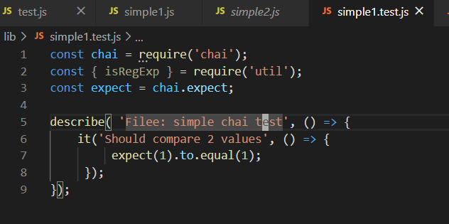

Woud instead specify a little reg.ex for file selection
this works too
If run them this way ... will get ALL the .js files to run (including simple1.js and simple2.js)
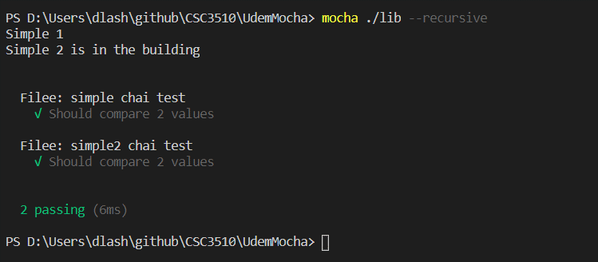
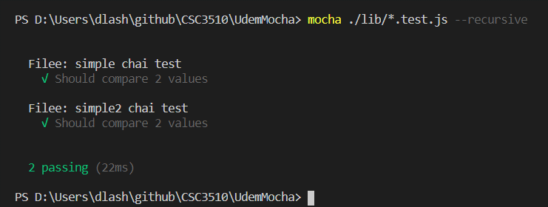

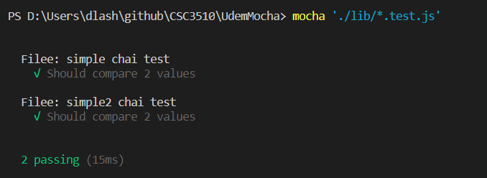

Can also give the path here ...
inside package.json
now can do npm test but alternatively could do mocha

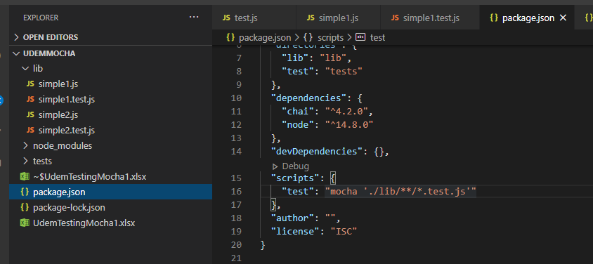

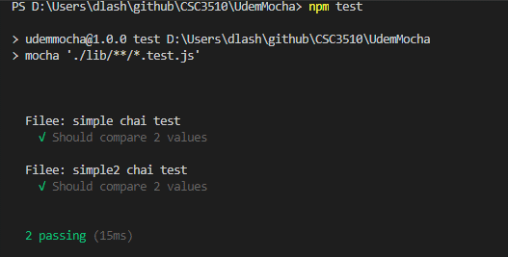

node install
npm install node --save.
Still no package.json
npm init

Chai env vars
Includes install instructions

Environement variables - let you set vars (like prod or dev mode)
Google node cross-eng

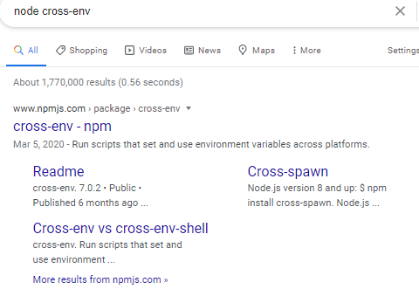

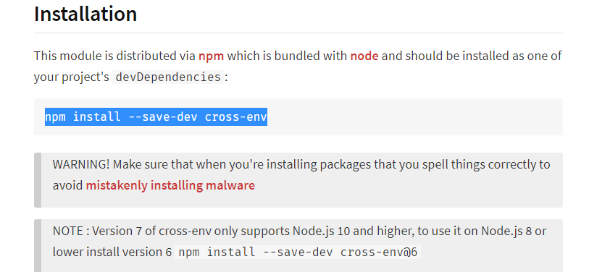

Inside package.json ... set the cross-env

s
Inside simple1.test.js ... add this second test ... and output process.env.NODE_ENV (where the variable exists)
.... rerun the test and you will get the variables value

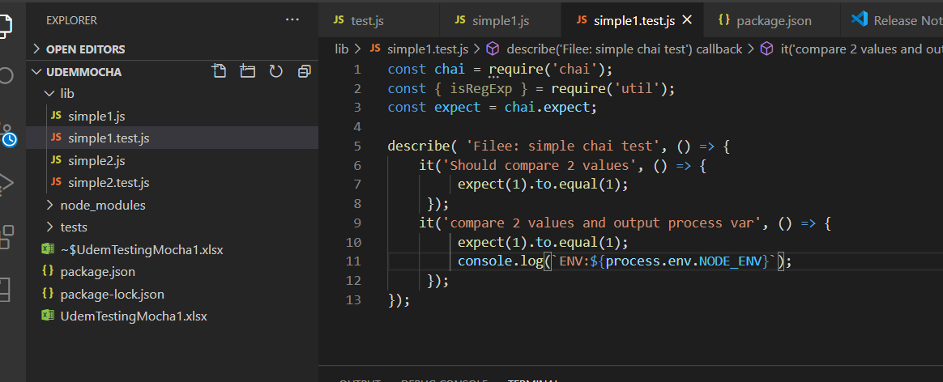
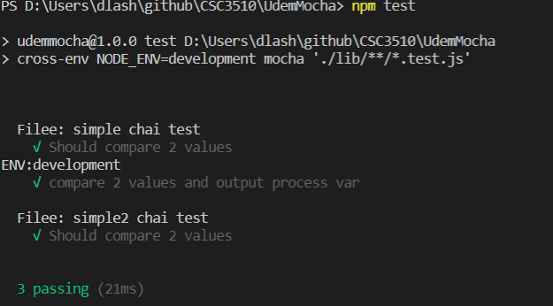

So could have a test here ... and would have special testing for dev mode ... can see it comes out here

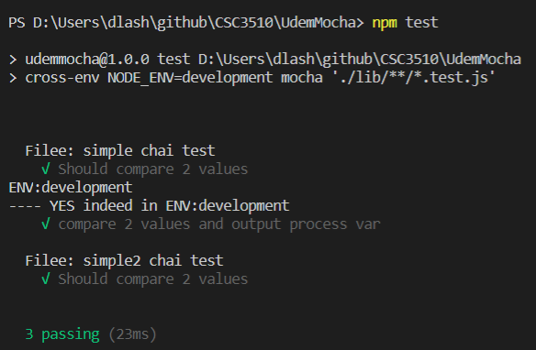

Typically in a production shop ... these env variables are very important ... since in
dev mode might drop DB or change records ... but this would be a disaster if you
did this accidently.

std functions
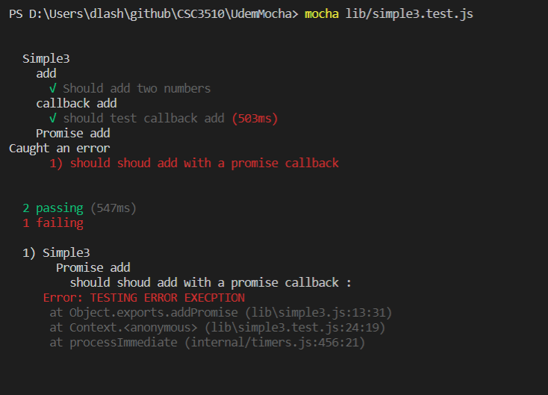
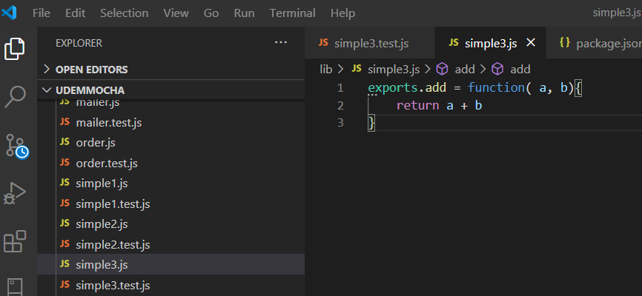

simple3 contains 1 function ... add
Write a test to test it. . . runs and passes

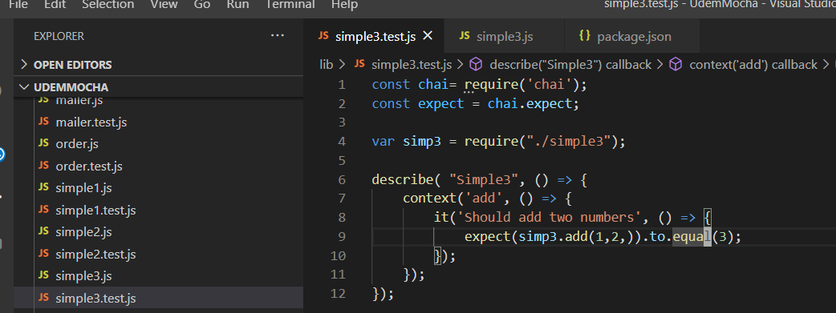

simple3 contains another function that uses a callBack ...
the timeout waits 1/2 second before calling the function passed into it
Write a test for addCallback

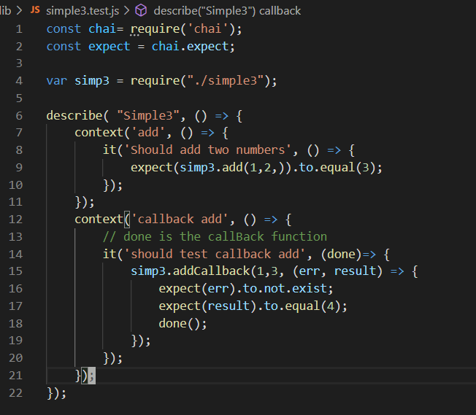

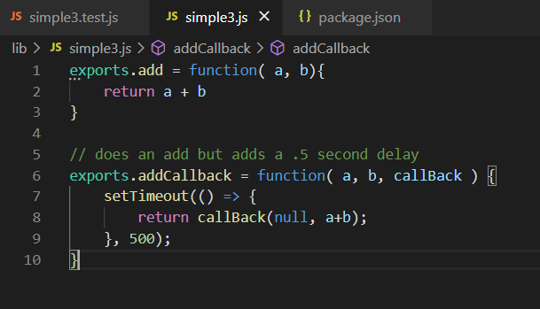

Testing a promise ... works with using line 14 (TRY THAT FIRST)
Using ine 15 ... throws an error

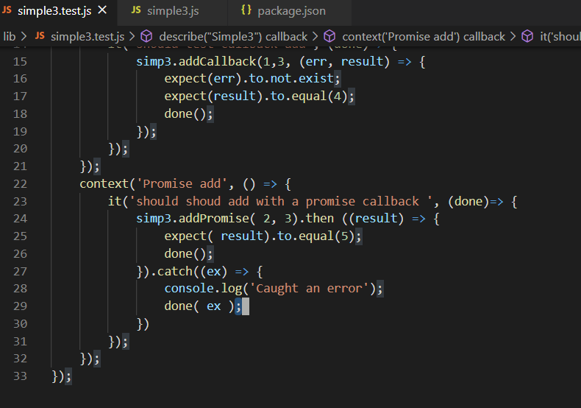

Lines 25-26 are the norm case (when line 14 is commented in
Lines 28-29 are the error case and throws the error and catches it

